Purpose
What you learn
Looping in VBA - Controlling the Flow of Code

Link | Topic Covered | What you Learn | Macro Name

ForNext | For…Next Loops to run your code many times | ● Simple For…Next to conditionally add values ● Loop through text and extract text and numbers to separate cells ● Loop through text and extract text and numbers to separate cells | Simple_For() For_Next_Loop_in_Text() Clear_Values_For_Text_Loop() Delete_Hidden_Filtered_Rows()
Do | Do Until….Do While Loop | ● Different methods to use the Do…Until Loop ● Use Do Loop to get proper input for input box | Simple_Do_Until_V1() Simple_Do_Until_V2() Simple_Do_Until_Conditional() Simple_Do_While() Input_Number_Only()
Find | Use the FIND Method for Quicker Search Results | Use Find method instead of looping for faster results. | One_Find() Many_Finds()
Activity | Activity: Document all Comments in Workbook in one place | Loop through the workbook and document all comments in a new sheet - including the author, the content and the cell address. | Module "ProjectActivity"

ForNext
For…Next Loops to run your code many times

● Simple For…Next to conditionally add values (10) to Quantities greater than 400
● Loop through text and extract text and numbers to separate cells
● Delete Hidden / Filtered rows

See Module "Lesson_a_For_Next" for different examples of For_Next Loops
Company ID | Sales Document | Document Date | Customer code | Article code | Quantity | Sales Value
AT1030 | 84030 | 2018-10-07 | 8050 | 120 | 130 | 6960
AT1030 | 84030 | 2018-10-07 | 8050 | 104 | 540 | 5160
AT1030 | 84030 | 2018-10-07 | 8050 | 105 | 130 | 1200
AT1030 | 84030 | 2018-10-07 | 8050 | 107 | 750 | 3450
AT1030 | 84031 | 2018-10-08 | 8040 | 104 | 930 | 10440
AT1030 | 84031 | 2018-10-08 | 8040 | 107 | 820 | 3800
AT1030 | 84031 | 2018-10-08 | 8040 | 110 | 560 | 30000
AT1030 | 88112 | 2018-10-11 | 8040 | 110 | 540 | 28800
AT1030 | 88112 | 2018-10-11 | 8040 | 119 | 700 | 39060
AT1030 | 88112 | 2018-10-11 | 8040 | 120 | 150 | 8700
AT1030 | 88112 | 2018-10-11 | 8040 | 116 | 820 | 4560
AT1030 | 88112 | 2018-10-11 | 8040 | 111 | 650 | 11800
1030SE6 | 88112 | 2018-10-11 | 8040 | 110 | 580 | 31800
1030SE6 | 88112 | 2018-10-11 | 8040 | 109 | 260 | 7280
1030SE6 | 85442 | 2018-10-15 | 8050 | 107 | 270 | 1350
1030SE6 | 85442 | 2018-10-15 | 8050 | 103 | 680 | 7560
1030SE6 | 85442 | 2018-10-15 | 8050 | 104 | 480 | 5280
1030SE6 | 85442 | 2018-10-15 | 8050 | 120 | 540 | 29000
1030SE6 | 85442 | 2018-10-15 | 8050 | 119 | 360 | 22320
1030SE6 | 85442 | 2018-10-15 | 8050 | 115 | 850 | 4860
1030SE6 | 85442 | 2018-10-15 | 8050 | 108 | 840 | 22400
1030SE6 | 88588 | 2018-10-15 | 8040 | 120 | 510 | 27260
1030SE6 | 88588 | 2018-10-15 | 8040 | 119 | 900 | 53320
1030NL40 | 88588 | 2018-10-15 | 8040 | 110 | 180 | 10800
1030NL40 | 88588 | 2018-10-15 | 8040 | 111 | 790 | 15000
1030NL40 | 88588 | 2018-10-15 | 8040 | 109 | 600 | 15680
1030NL40 | 88588 | 2018-10-15 | 8040 | 105 | 130 | 1300
1030NL40 | 88588 | 2018-10-15 | 8040 | 103 | 110 | 1320
1030NL40 | 88544 | 2018-10-22 | 8040 | 107 | 810 | 3850
1030NL40 | 88544 | 2018-10-22 | 8040 | 120 | 300 | 17400
1030NL40 | 88666 | 2018-10-26 | 8030 | 119 | 330 | 20460
1030NL40 | 88666 | 2018-10-26 | 8030 | 107 | 500 | 2300
1030NL40 | 88666 | 2018-10-26 | 8030 | 105 | 510 | 4700
1030AT | 88666 | 2018-10-26 | 8030 | 115 | 390 | 2340
1030AT | 88666 | 2018-10-26 | 8030 | 116 | 260 | 1560
1040DE | 44030 | 2018-10-04 | 8060 | 108 | 60 | 1680
1040DE | 44030 | 2018-10-04 | 8060 | 109 | 60 | 1680
1040DE | 44032 | 2018-10-07 | 8060 | 108 | 60 | 1680
1040DE | 44032 | 2018-10-07 | 8060 | 109 | 70 | 1960
1040DE | 44031 | 2018-10-08 | 8050 | 108 | 60 | 1680
1040DE | 44031 | 2018-10-08 | 8050 | 109 | 50 | 1400
1040DE | 44031 | 2018-10-08 | 8050 | 110 | 60 | 3600
1040DE | 48112 | 2018-10-11 | 8060 | 109 | 60 | 1680
1040DE | 48112 | 2018-10-11 | 8060 | 110 | 50 | 3000
1040DE | 48114 | 2018-10-11 | 8050 | 109 | 60 | 1680
1040DE | 48114 | 2018-10-11 | 8050 | 110 | 60 | 3600
1040DE | 48114 | 2018-10-11 | 8050 | 111 | 80 | 1600
1040DE | 48116 | 2018-10-11 | 8060 | 109 | 60 | 1680
1040DE | 48116 | 2018-10-11 | 8060 | 110 | 60 | 3600
1040DE | 45442 | 2018-10-15 | 8050 | 108 | 50 | 1400
1040DE | 45442 | 2018-10-15 | 8050 | 109 | 60 | 1680
1040DE | 45444 | 2018-10-15 | 8060 | 108 | 60 | 1680
1040DE | 45444 | 2018-10-15 | 8060 | 109 | 70 | 1960
1040DE | 45444 | 2018-10-15 | 8060 | 110 | 60 | 3600
1040DE | 45446 | 2018-10-15 | 8050 | 111 | 80 | 1600
1040DE | 45446 | 2018-10-15 | 8050 | 108 | 50 | 1400
1040DE | 44015 | 2018-10-10 | 8060 | 108 | 60 | 1680
1040DE | 44015 | 2018-10-10 | 8060 | 109 | 70 | 1960
1040DE | 44017 | 2018-10-13 | 8060 | 108 | 70 | 1960
1040DE | 44017 | 2018-10-13 | 8060 | 109 | 70 | 1960
1040DE | 44016 | 2018-10-14 | 8050 | 108 | 70 | 1960
1040DE | 44016 | 2018-10-14 | 8050 | 109 | 60 | 1680
1040DE | 44016 | 2018-10-14 | 8050 | 110 | 50 | 3000
1040DE | 48097 | 2018-10-17 | 8060 | 109 | 60 | 1680
1040DE | 48097 | 2018-10-17 | 8060 | 110 | 70 | 4200
1040DE | 48099 | 2018-10-17 | 8050 | 109 | 60 | 1680
1040DE | 48099 | 2018-10-17 | 8050 | 110 | 60 | 3600
1040DE | 48099 | 2018-10-17 | 8050 | 111 | 60 | 1200
1040DE | 48101 | 2018-10-17 | 8060 | 109 | 60 | 1680
1040DE | 48101 | 2018-10-17 | 8060 | 110 | 50 | 3000
1040DE | 45427 | 2018-10-21 | 8050 | 108 | 70 | 1960
1040DE | 45427 | 2018-10-21 | 8050 | 109 | 60 | 1680
1040DE | 45429 | 2018-10-21 | 8060 | 108 | 80 | 2240
1040DE | 45429 | 2018-10-21 | 8060 | 109 | 80 | 2240
1040DE | 45429 | 2018-10-21 | 8060 | 110 | 50 | 3000
1040DE | 45431 | 2018-10-21 | 8050 | 111 | 60 | 1200
1040DE | 45431 | 2018-10-21 | 8050 | 108 | 60 | 1680

Do
The different Procedures in Module "Lesson_b_DoLoop" show various ways you can use the Do Until and Do While Loops.
Do Until….Do While Loop
● Different methods to use the Do…Until Loop
● Example of Do…While Loop

Quantity | Add 10 (Do Until) | Add 10 (Do While) | Add 10 (Exit Do)
530
530
160
730
910
800

● Create an Input Box that requires a Number Input.
- The user can't close the input box, until a number value is input

Find
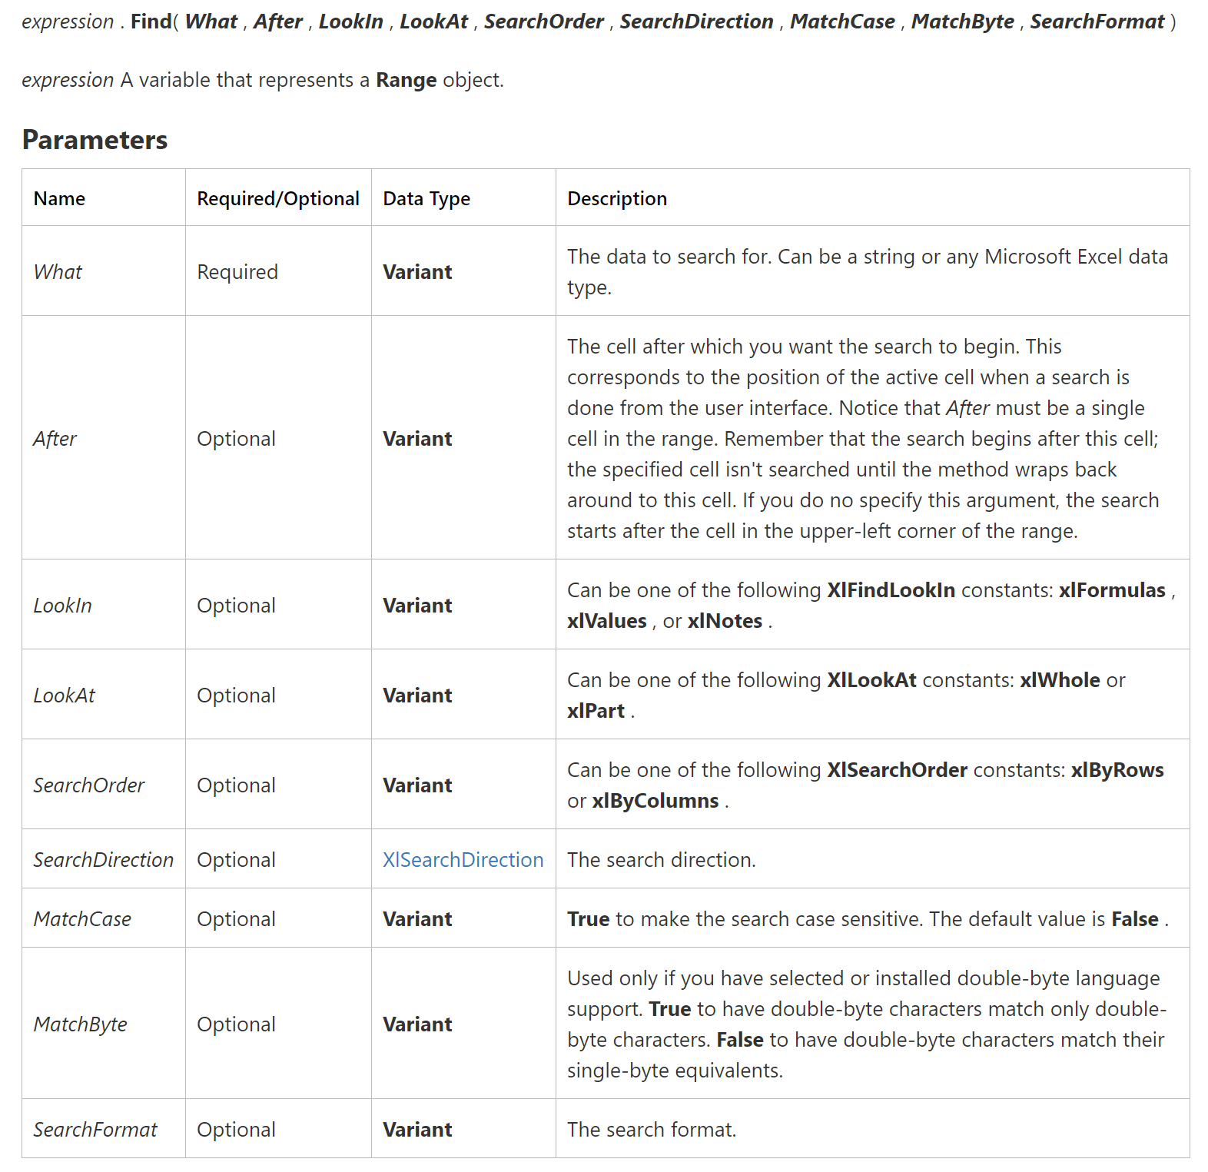
From MSDN.Microsoft.com
Use the FIND Method for Quicker Search Results
 |  | One Match: | Many Matches:
Find Article Code for this entity: | AT1030 | 120 | 120
 |  |  | 107
 |  |  | 110
 |  |  | 111
Company ID | Sales Document | Document Date | Customer code | Article code | Quantity | Sales Value
AT1030 | 84030 | 2018-10-07 | 8050 | 120 | 130 | 6960
1030SE6 | 84030 | 2018-10-07 | 8050 | 104 | 500 | 5160
1030SE6 | 84030 | 2018-10-07 | 8050 | 105 | 130 | 1200
AT1030 | 84030 | 2018-10-07 | 8050 | 107 | 710 | 3450
SE1080 | 84031 | 2018-10-08 | 8040 | 104 | 890 | 10440
DE1030 | 84031 | 2018-10-08 | 8040 | 107 | 780 | 3800
DE1030 | 84031 | 2018-10-08 | 8040 | 110 | 520 | 30000
AT1030 | 88112 | 2018-10-11 | 8040 | 110 | 500 | 28800
SE1080 | 88112 | 2018-10-11 | 8040 | 119 | 660 | 39060
SE1080 | 88112 | 2018-10-11 | 8040 | 120 | 150 | 8700
1030SE6 | 88112 | 2018-10-11 | 8040 | 116 | 780 | 4560
AT1030 | 88112 | 2018-10-11 | 8040 | 111 | 610 | 11800
1030SE6 | 88112 | 2018-10-11 | 8040 | 110 | 540 | 31800

Activity
Activity: Document all Comments in Workbook in one place

Create a macro which provides a summary report of all comments in a Workbook in a separate sheet.
What the macro should do:
● Create a new sheet
● Put header "Comment", "Address" & "Author" in A1, B1 & C1 respectively.
● Put the content of each comment in the workbook in a separate cell - starting from A2.
● Put the address of each comment - such as the worksheet name and cell address in a separate cell starting from B2 and author from C2.

Module "ProjectActivity" contains the macro for this activity.

